Flight
国際線 |  |  |  | 国内線
 | 2025-11-04 | 羽田ーPune |  |  | 2025/11/6 Pune-Indore

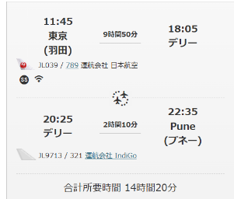
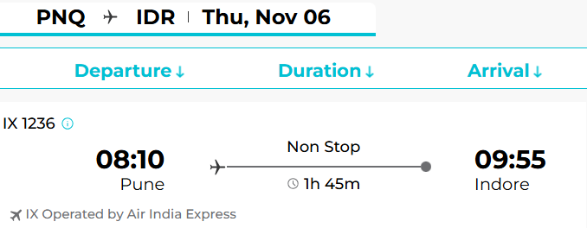
 |  |  | ・JALのコードシェア便としてのIndigoは左のとおりです。
 |  |  | ・Delhi空港で入国手続き後にターミナルT3→T2国内線ターミナルに移動後
 |  |  | Indigoチェックインとなります。

 |  |  |  |  | 2025/11/8 Indore-Bangalore

 | 2025/11/9 Bangalore-東京

 | 【Pune空港到着時の補足】
 | 1. TCSが手配したリムジン会社のDriverがPune空港の建物出口付近でMr.Hideshimaのプレートを持ってお待ちします。
 | また見つけられない場合を想定し、Driverの会社名/名前/携帯番号情報を前日か当日（リムジン会社の規定でそれより前にはDriverが決定しない為）にメールでお知らせします。
 | Delhiでの乗り継ぎ時かPune空港到着時にメールをご確認ください。
 | 2.空港出口から駐車場ビルへはDriverが誘導しますので、10-15分程徒歩で移動します。
 | 3.車に乗られたらDriverに「Courtyard Marriott 」と改めてお伝えてください。（Driverは行き先が分かっているはずなので念の為の対応です）
 | 尚、Google MapをOnにして目的のホテルに向かっているかはご自分で確認されることをお勧めします。
 | 4.ホテルに到着しましたらチェックインしてください。当方への特段のご連絡は不要です。
 | *Driverは片言の英語は可能ですが、会話ができるレベルではないとご認識ください。
 | *Pune JDC担当2名の電話番号を別途お知らせしますので、何かありましたらそちらにご連絡ください（酒寄/私も飛行機搭乗中の為）

Pune地図
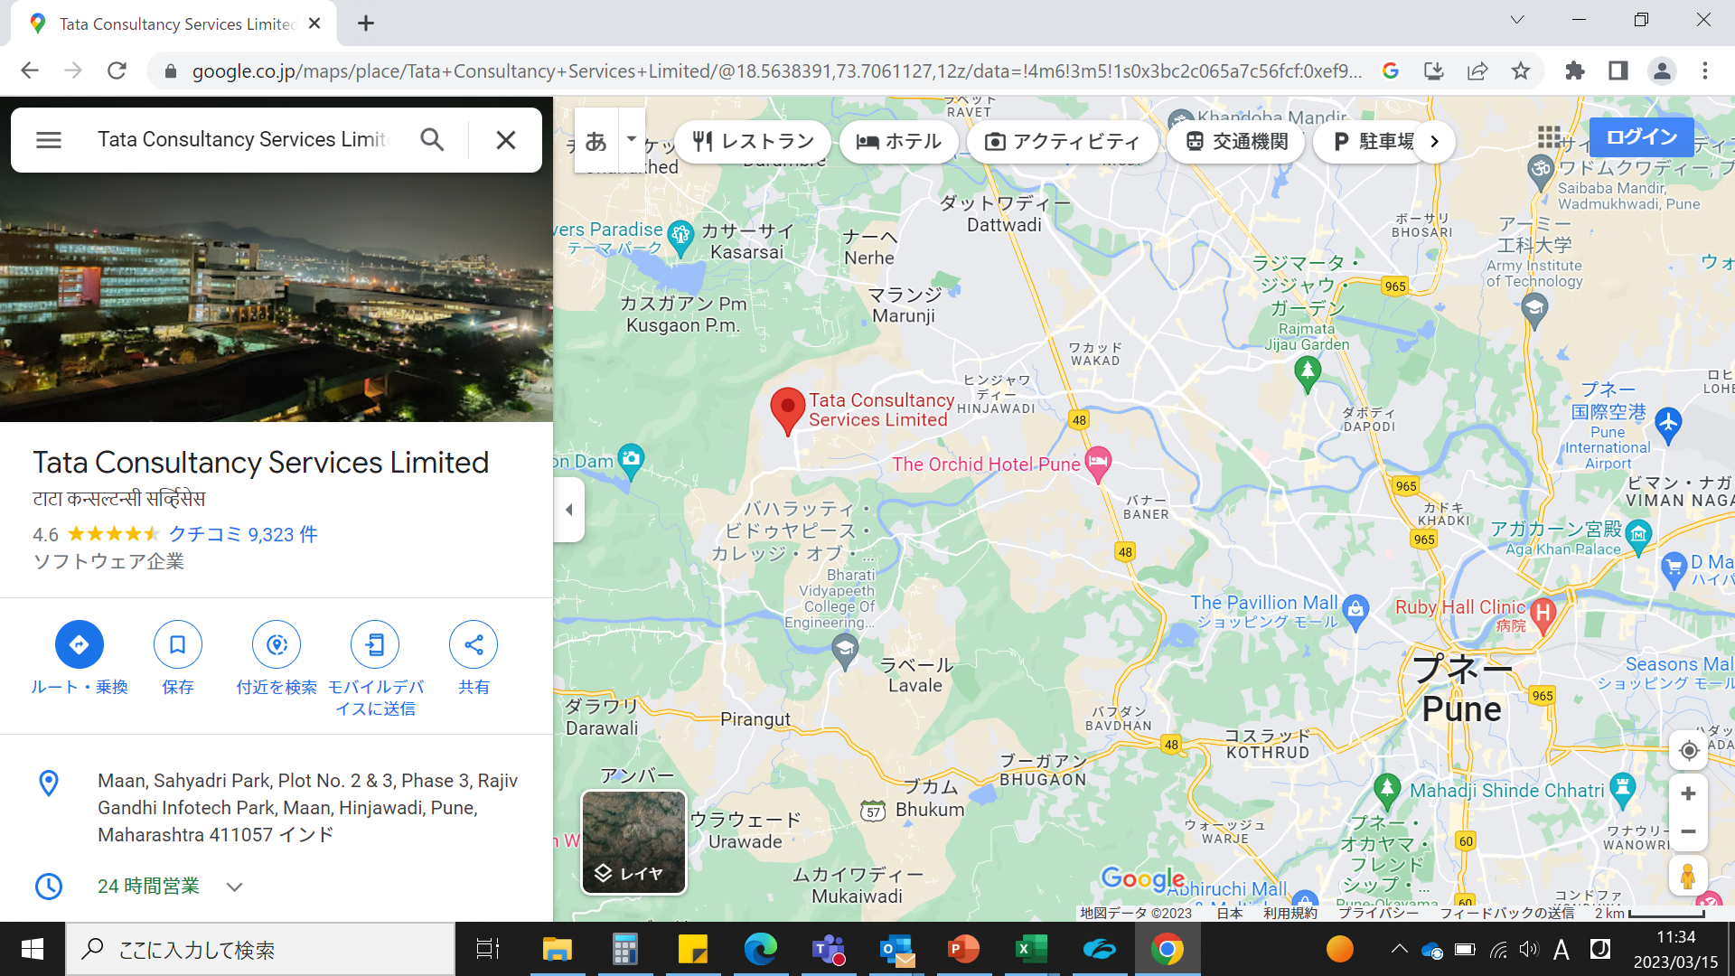

Indore地図
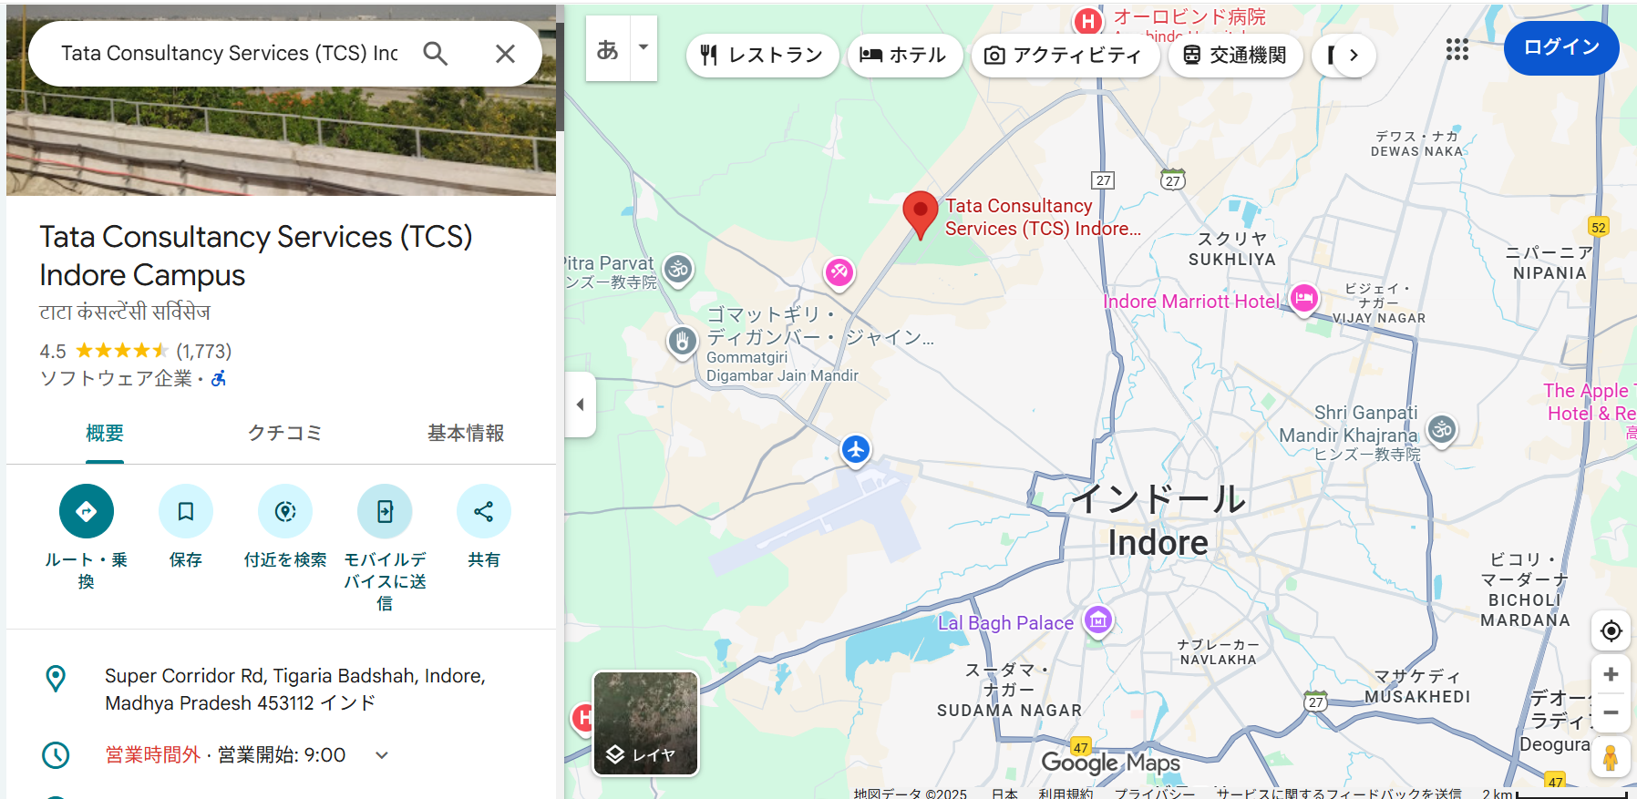

Indore
国際空港

